Data cleaning and transformatio
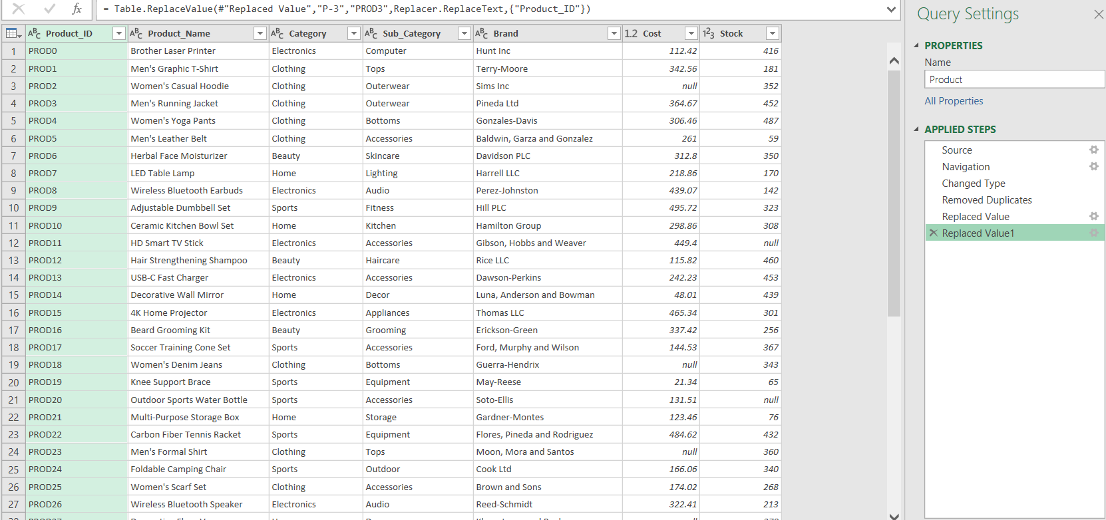

Product Table Cleaning

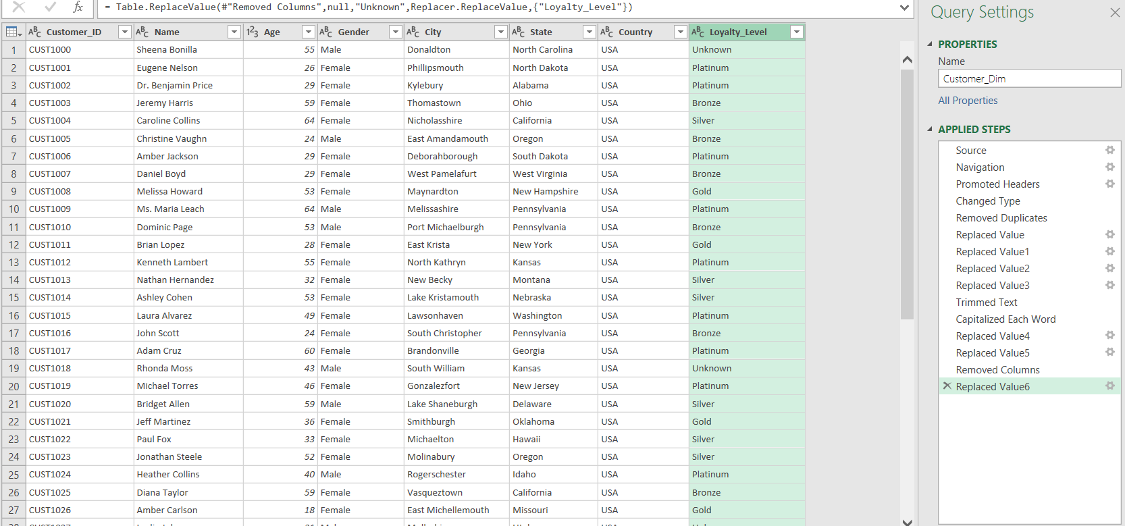

Customer Table Cleaning

Customer Pivot
Customer Count by Loyalty Level
Row Labels | Count of Customer_ID
Bronze | 125
Gold | 122
Platinum | 145
Silver | 104
Unknown | 4
Grand Total | 500

Row Labels | Count of Customer_ID
Alabama | 9
Alaska | 11
Arizona | 13
Arkansas | 9
California | 13
Colorado | 3
Customer count by state
Connecticut | 15
Delaware | 8
Florida | 9
Georgia | 10
Hawaii | 8
Idaho | 5
Illinois | 7
Indiana | 8
Iowa | 12
Kansas | 16
Kentucky | 6
Louisiana | 10
Maine | 9
Maryland | 9
Massachusetts | 6
Michigan | 10
Minnesota | 9
Mississippi | 8
Missouri | 12
Montana | 10
Nebraska | 7
Nevada | 10
New Hampshire | 11
New Jersey | 15
New Mexico | 10
New York | 11
North Carolina | 13
North Dakota | 11
Ohio | 15
Oklahoma | 12
Oregon | 13
Pennsylvania | 12
Rhode Island | 6
South Carolina | 8
South Dakota | 10
Tennessee | 14
Texas | 5
Utah | 11
Vermont | 16
Virginia | 11
Customer count by gender
Washington | 9
West Virginia | 10
Wisconsin | 9
Wyoming | 6
Grand Total | 500

Row Labels | Count of Customer_ID
Female | 262
Male | 238
Grand Total | 500

Product pivot
Product count by category
Row Labels | Count of Product_ID
Beauty | 15
Clothing | 18
Electronics | 21
Home | 21
Sports | 25
Grand Total | 100

Revenue of quantity by Category

Row Labels | Sum of Quantity | Sum of Total Amount Updated
Beauty | 738 | 132231.33793
Clothing | 845 | 151528.6874
Electronics | 1165 | 195204.90364
Home | 969 | 182124.9453
Sports | 1241 | 212038.4541
Grand Total | 4958 | 873128.32838

Revenue of quantity by Products

Row Labels | Sum of Total Amount Updated | Sum of Quantity
PROD37 | 12121.4245 | 87
PROD39 | 16402.7627 | 84
PROD34 | 12157.1435 | 84
Grand Total | 40681.3307 | 255

Store pivot
Store Count by Region
Row Labels | Count of Store_ID
East | 6
North | 6
South | 6
West | 2
Grand Total | 20

Store Count by StoreType

Row Labels | Count of Store_ID
Flagship | 8
Online | 8
Outlet | 4
Grand Total | 20

Store count by Region and store type
 | Flagship | Online | Outlet
East | 3 | 3
North | 3 | 1 | 2
South | 1 | 3 | 2
West | 1 | 1
Count of Store_ID | Column Labels
Row Labels | Flagship | Online | Outlet | Grand Total
East | 3 | 3 |  | 6
North | 3 | 1 | 2 | 6
South | 1 | 3 | 2 | 6
West | 1 | 1 |  | 2
Grand Total | 8 | 8 | 4 | 20

Sales Pivot
Revenue by StoreID
Row Labels | Sum of Total Amount Updated
STORE0 | 39266.8815
STORE1 | 39795.5245
STORE10 | 42284.9848
STORE11 | 39303.4071
STORE12 | 45825.878
STORE13 | 44669.500788
STORE14 | 44383.0031
STORE15 | 37897.1717
STORE16 | 47852.161
STORE17 | 49036.499
STORE18 | 45022.244244
STORE19 | 37853.7669
STORE2 | 41137.8935
STORE3 | 47615.1662
STORE4 | 45553.4949
STORE5 | 34018.8403
STORE6 | 47347.296246
STORE7 | 42349.2467
Revenue by storetype
STORE8 | 58030.4843
STORE9 | 43884.8836
Grand Total | 873128.32838

Row Labels | Sum of Total Amount Updated
Flagship | 347424.86633
Online | 358548.55895
Outlet | 167154.9031
Grand Total | 873128.32838

Revenue by Region

Row Labels | Sum of Total Amount Updated
East | 256444.67448
North | 254189.0797
South | 256611.9289
West | 105882.6453
Grand Total | 873128.32838

revenue by Payment type
Row Labels | Sum of Total Amount Updated
COD | 281436.24589
Credit Card | 282036.23759
PayPal | 309655.8449
Grand Total | 873128.32838

sum of quantity by product
Row Labels | Sum of Quantity
PROD0 | 39
PROD1 | 41
PROD10 | 51
PROD11 | 53
PROD12 | 41
PROD13 | 55
PROD14 | 45
PROD15 | 72
PROD16 | 62
PROD17 | 70
PROD18 | 37
PROD19 | 63
PROD2 | 41
PROD20 | 53
PROD21 | 42
PROD22 | 43
PROD23 | 34
PROD24 | 48
PROD25 | 58
PROD26 | 49
PROD27 | 56
PROD28 | 43
PROD29 | 29
PROD3 | 47
PROD30 | 34
PROD31 | 63
PROD32 | 24
PROD33 | 50
PROD34 | 84
PROD35 | 45
PROD36 | 36
PROD37 | 87
PROD38 | 64
PROD39 | 84
PROD4 | 35
PROD40 | 58
PROD41 | 43
PROD42 | 54
PROD43 | 52
PROD44 | 28
PROD45 | 37
PROD46 | 59
PROD47 | 29
PROD48 | 48
PROD49 | 44
PROD5 | 43
PROD50 | 42
PROD51 | 38
PROD52 | 36
PROD53 | 36
PROD54 | 59
PROD55 | 36
PROD56 | 58
PROD57 | 49
PROD58 | 39
PROD59 | 66
PROD6 | 33
PROD60 | 55
PROD61 | 44
PROD62 | 68
PROD63 | 51
PROD64 | 49
PROD65 | 45
PROD66 | 44
PROD67 | 50
PROD68 | 40
PROD69 | 54
PROD7 | 40
PROD70 | 58
PROD71 | 48
PROD72 | 46
PROD73 | 77
PROD74 | 55
PROD75 | 48
PROD76 | 73
PROD77 | 48
PROD78 | 61
PROD79 | 44
PROD8 | 49
PROD80 | 47
PROD81 | 53
PROD82 | 41
PROD83 | 56
PROD84 | 45
PROD85 | 38
PROD86 | 48
PROD87 | 41
PROD88 | 60
PROD89 | 68
PROD9 | 41
PROD90 | 38
PROD91 | 67
PROD92 | 50
PROD93 | 44
PROD94 | 68
PROD95 | 38
PROD96 | 45
PROD97 | 55
PROD98 | 54
PROD99 | 49
Grand Total | 4958

Row Labels | Sum of Quantity | Sum of Total Amount Updated
STORE0 | 204 | 39266.8815
STORE1 | 231 | 39795.5245
STORE10 | 255 | 42284.9848
STORE11 | 206 | 39303.4071
STORE12 | 259 | 45825.878
STORE13 | 243 | 44669.500788
STORE14 | 224 | 44383.0031
STORE15 | 243 | 37897.1717
STORE16 | 249 | 47852.161
STORE17 | 276 | 49036.499
STORE18 | 247 | 45022.244244
STORE19 | 240 | 37853.7669
STORE2 | 220 | 41137.8935
STORE3 | 293 | 47615.1662
STORE4 | 255 | 45553.4949
STORE5 | 201 | 34018.8403
STORE6 | 258 | 47347.296246
STORE7 | 273 | 42349.2467
STORE8 | 344 | 58030.4843
STORE9 | 237 | 43884.8836
Grand Total | 4958 | 873128.32838

Row Labels | Sum of Total Amount Updated
0 | 20532.85
0.01 | 29165.3802
0.02 | 27375.7512
0.03 | 35125.3878
0.04 | 30104.613888
0.05 | 39914.991
0.06 | 40843.519444
0.07 | 30422.6715
0.08 | 23418.5908
0.09 | 29912.5736
0.1 | 44156.781
0.11 | 36497.2535
0.12 | 27683.3568
0.13 | 23538.5982
0.14 | 33332.422746
0.15 | 26196.49
0.16 | 29008.1232
0.17 | 26838.4733
0.18 | 30087.0136
0.19 | 23026.7043
0.2 | 24922.76
0.21 | 18552.9367
0.22 | 25324.2834
0.23 | 24482.5196
0.24 | 26034.788
0.25 | 25186.74
0.26 | 25359.1192
0.27 | 28630.8336
0.28 | 27932.9616
0.29 | 24646.4572
0.3 | 14873.383
Grand Total | 873128.32838

Dashboard
E-COMMERCE SALES DATASET

TOTAL SALES
AVERAGE SALES
TOTAL QUANTITIES SOLD
TOTAL NUMBER OF STOCKS
$873,128.33
436.5641642
4958
27398

Revenue By StoreID
 | Total
STORE0 | 39266.8815
STORE1 | 39795.5245
STORE10 | 42284.9848
STORE11 | 39303.4071
STORE12 | 45825.878
STORE13 | 44669.500788
STORE14 | 44383.0031
STORE15 | 37897.1717
STORE16 | 47852.161
STORE17 | 49036.499
STORE18 | 45022.244244
STORE19 | 37853.7669
STORE2 | 41137.8935
STORE3 | 47615.1662
STORE4 | 45553.4949
STORE5 | 34018.8403
STORE6 | 47347.296246
STORE7 | 42349.2467
STORE8 | 58030.4843
STORE9 | 43884.8836
Top Selling Store By Quantity And Revenue
 | Sum of Quantity | Sum of Total Amount Updated
STORE0 | 204 | 39266.8815
STORE1 | 231 | 39795.5245
STORE10 | 255 | 42284.9848
STORE11 | 206 | 39303.4071
STORE12 | 259 | 45825.878
STORE13 | 243 | 44669.500788
STORE14 | 224 | 44383.0031
STORE15 | 243 | 37897.1717
STORE16 | 249 | 47852.161
STORE17 | 276 | 49036.499
STORE18 | 247 | 45022.244244
STORE19 | 240 | 37853.7669
STORE2 | 220 | 41137.8935
STORE3 | 293 | 47615.1662
STORE4 | 255 | 45553.4949
STORE5 | 201 | 34018.8403
STORE6 | 258 | 47347.296246
STORE7 | 273 | 42349.2467
STORE8 | 344 | 58030.4843
STORE9 | 237 | 43884.8836
Revenue By Payment Type
 | Total
COD | 281436.24589
Credit Card | 282036.23759
PayPal | 309655.8449

Revenue By Discount
 | Total
0 | 20532.85
0.01 | 29165.3802
0.02 | 27375.7512
0.03 | 35125.3878
0.04 | 30104.613888
0.05 | 39914.991
0.06 | 40843.519444
0.07 | 30422.6715
0.08 | 23418.5908
0.09 | 29912.5736
0.1 | 44156.781
0.11 | 36497.2535
0.12 | 27683.3568
0.13 | 23538.5982
0.14 | 33332.422746
0.15 | 26196.49
0.16 | 29008.1232
0.17 | 26838.4733
0.18 | 30087.0136
0.19 | 23026.7043
0.2 | 24922.76
0.21 | 18552.9367
0.22 | 25324.2834
0.23 | 24482.5196
0.24 | 26034.788
0.25 | 25186.74
0.26 | 25359.1192
0.27 | 28630.8336
0.28 | 27932.9616
0.29 | 24646.4572
0.3 | 14873.383
Sum of Quantity And Amount By Products
 | Sum of Total Amount Updated | Sum of Quantity
PROD37 | 12121.4245 | 87
PROD39 | 16402.7627 | 84
PROD34 | 12157.1435 | 84

